one-one
one - one
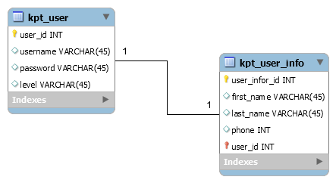

kpt_user
user_id | username | password | level
1 | quoctuan | 12345 | 3
2 | khoapham | 5769 | 2
3 | teoem | 1289423 | 1

kpt_user_info
user_ifo_id | first_name | last_name | phone | user_id
1 | vu | quoc tuan | 544654546 | 3
2 | pham | truong dang khoa | 5754554 | 2
3 | nguyen | Teo em | 8656566646 | 1

1 thành viên thì chỉ có 1 và duy nhất một thông tin cá nhân
Một thông tin cá nhân chỉ thuộc một thành viên duy nhất

one-many
one - many

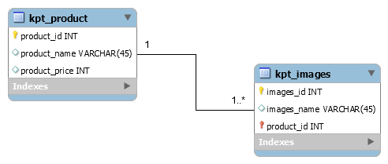

1 sản phẩm thì có 1 hoặc nhiều hình nhưng 1 hình thì chắc chắn có 1 sản phẩm nào đó

kpt_product
product_id | product_name | product_price
1 | Galaxy S5 | 13,000,000
2 | iPhone 6 Plus | 21,000,000
3 | LG Optimus G Pro 2 | 8,900,000

kpt_images
images_id | images_name | product_id
1 | galaxy_s5_1.png | 1
2 | galaxy_s5_2.png | 1
3 | galaxy_s5_3.png | 1
4 | galaxy_s5_4.png | 1
5 | iPhone_plus_1.png | 2
6 | iPhone_plus_2.png | 2
7 | iPhone_plus_3.png | 2
8 | g_pro_2_1.png | 3
9 | g_pro_2_2.png | 3
19 | g_pro_2_3.png | 3

1 điện thoại thì có thể có nhiều hình
Nhưng 1 tấm hình thì chỉ thuộc 1 điện thoại mà thôi

many-many
many - many
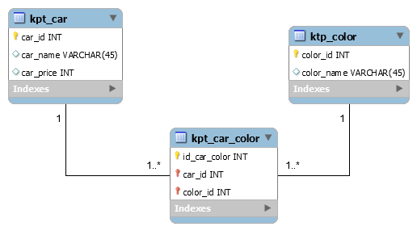

khi có quan hệ nhiều nhiều sảy ra thì sẽ có một bản con sinh ra để quản lý chính nó
kpt_car
car_id | car_name | car_price
1 | BMW | 5,000,000,000
2 | Audi | 4,200,000,000
3 | Honda | 3,300,000,000
4 | Suzuki | 1,000,000,000
5 | Porsche | 7,000,000,000
6 | Huyndai | 2,300,000,000
7 | Komatsu | 1,200,000,000

kpt_color
color_id | color_name
1 | red
2 | blue
3 | black
4 | white

kpt_car_color
id_car_color | car_id | color_id | note
1 | 1 | 1 | BMW---Red
2 | 2 | 1 | Audi---Red
3 | 3 | 1 | Honda---Red
4 | 4 | 2 | Suzuki---Blue
5 | 4 | 3 | Suzuki---Black
6 | 4 | 4 | Suzuki---white
7 | 5 | 1 | Porsche---red

1 chiếc xe thì sẽ có 1 hoặc nhiều màu
1 màu thì sẽ thuộc 1 hoặc nhiều chiếc xe

